Results
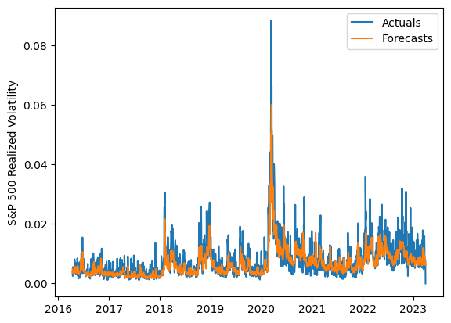
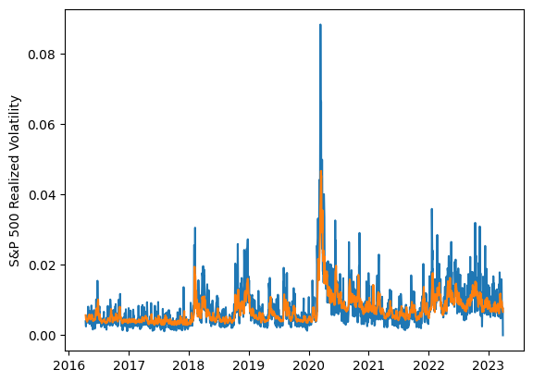
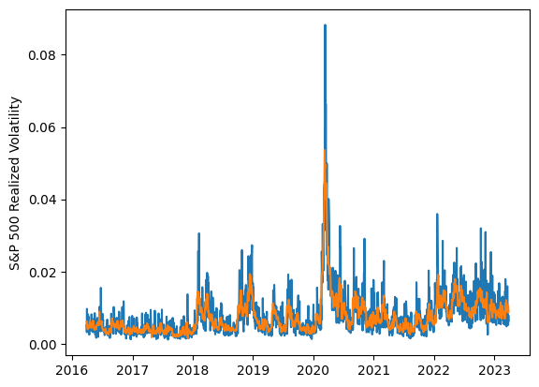
 | LSTM |  |  | TCN |  |  | NBEATSx |  |  |  |  | LSTM |  |  | TCN |  |  | NBEATSx
 | Accuracy | RMSE | Qlike | Accuracy | RMSE | Qlike | Accuracy | RMSE | Qlike |  |  | Accuracy | RMSE | Qlike | Accuracy | RMSE | Qlike | Accuracy | RMSE | Qlike
Trial 1 | 64.86% | 0.247% | 0.088 | 63.95% | 0.255% | 0.093 | 64.11% | 0.251% | 0.093 |  | Mean | 64.87% | 0.249% | 0.091 | 59.36% | 0.264% | 0.110 | 64.58% | 0.249% | 0.090
Trial 2 | 66.43% | 0.244% | 0.083 | 53.92% | 0.271% | 0.130 | 64.93% | 0.250% | 0.090 |  | Standard Deviation | 2.60% | 0.007% | 0.009 | 3.51% | 0.008% | 0.013 | 0.40% | 0.002% | 0.002
Trial 3 | 59.17% | 0.258% | 0.106 | 58.45% | 0.263% | 0.111 | 64.22% | 0.247% | 0.088 |  | 95% CI upper bound | 70.06% | 0.264% | 0.108 | 66.39% | 0.280% | 0.136 | 65.37% | 0.253% | 0.095
Trial 4 | 64.24% | 0.248% | 0.088 | 60.76% | 0.265% | 0.104 | 65.05% | 0.251% | 0.088 |  | 95% CI lower bound | 59.67% | 0.235% | 0.073 | 52.34% | 0.248% | 0.084 | 63.78% | 0.246% | 0.086
Trial 5 | 63.23% | 0.250% | 0.093 | 59.41% | 0.270% | 0.112 | 64.57% | 0.248% | 0.091 |  | 99.7% CI upper bound | 72.65% | 0.271% | 0.117 | 69.90% | 0.288% | 0.149 | 65.77% | 0.254% | 0.097
Trial 6 | 64.74% | 0.244% | 0.088 | 62.26% | 0.257% | 0.098 | 64.80% | 0.248% | 0.089 |  | 99.7% CI lower bound | 57.08% | 0.228% | 0.065 | 48.83% | 0.240% | 0.071 | 63.39% | 0.244% | 0.084
Trial 7 | 64.90% | 0.245% | 0.088 | 61.25% | 0.265% | 0.104 | 64.40% | 0.247% | 0.091
Trial 8 | 60.64% | 0.258% | 0.104 | 61.94% | 0.253% | 0.099 | 64.33% | 0.248% | 0.089
Trial 9 | 66.19% | 0.244% | 0.083 | 61.05% | 0.266% | 0.105 | 65.55% | 0.249% | 0.088
Trial 10 | 67.65% | 0.259% | 0.097 | 59.09% | 0.261% | 0.111 | 64.59% | 0.251% | 0.090
Trial 11 | 66.05% | 0.241% | 0.084 | 58.88% | 0.267% | 0.110 | 64.59% | 0.247% | 0.088
Trial 12 | 69.07% | 0.248% | 0.080 | 58.98% | 0.264% | 0.110 | 64.37% | 0.250% | 0.096
Trial 13 | 66.87% | 0.266% | 0.106 | 61.34% | 0.258% | 0.103 | 63.96% | 0.251% | 0.092
Trial 14 | 62.80% | 0.248% | 0.093 | 49.69% | 0.286% | 0.146 | 64.57% | 0.252% | 0.092
Trial 15 | 66.15% | 0.243% | 0.083 | 59.52% | 0.259% | 0.108 | 64.65% | 0.250% | 0.092
 |  |  |  |  |  |  |  |  |  |  |  |  |  |  |  |  | 49.690627252 | 59.524723438
 |  |  |  |  |  |  |  |  |  |  |  |  |  |  |  |  | 0.0028566614096 | 0.0025891135719
 |  |  |  |  |  |  |  |  |  |  |  |  |  |  |  |  | 0.14595025877 | 0.10801682623
 | LSTM (best trial) |  |  |  |  |  |  |  |  | TCN (best trial) |  |  |  |  |  |  |  |  | NBEATSx (best trial)

